Overview 2
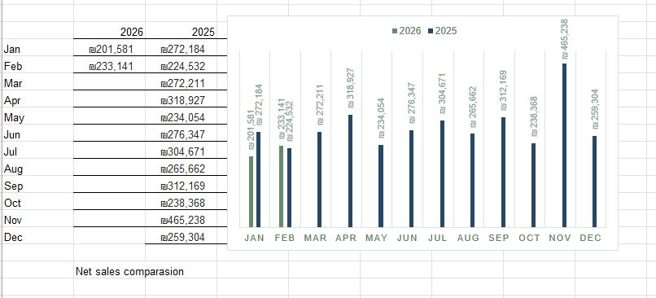

roi comparasion
 | 2025 | 2026
January | 2.3263589744 | 3.93
February | 2.5 | 6.04
March | 2.46
April | 3.09
May | 2.6
June | 2.91
July | 2.55
August | 2.46
September | 3.07
October | 2.21
November | 3.3
December | 2.93

Google Campaigns
Campaign activities - PMAX | UTM campaign medium | UTM campaign source | Sessions | Orders | Spend | Revenue Google Ads | Revenue sales Shopify | ROAS Google | ROAS Shopify | Conversion rate | Orders from new customers | Orders from returning customers | CAC New Customers | CAC Returning customers | CAC Total
GoogleAdsPmaxSeborrheic | cpc | google | 3,497 | 75 | ₪ 15,000 | ₪ 20,000 | ₪ 10,255 | 1.33 | 0.68 | 2.14% | 46 | 28 | ₪ 326 | ₪ 536 | ₪ 203
GoogleAdsPmaxScalpDandruff | cpc | google | 4,000 | 10 | ₪ 8,014 | ₪ 25,000 | ₪ 2,600 | 3.12 | 0.32 | 0.41% | 8 | 12 | ₪ 1,002 | ₪ 668 | ₪ 401
GoogleAdsPmaxTopic | cpc | google | 1,298 | 27 | 4135 | 30000 | ₪ 4,414 | 7.26 | 1.07 | 2.08% | 24 | 3 | ₪ 172 | ₪ 1,378 | ₪ 153
GoogleAdsPmaxPsoriasis | cpc | google | 94 | 3 | ₪ 246 | ₪ 35,000 | ₪ 6,000 | 142.28 | 24.39 | 3.19% | 3 | 0 | ₪ 82 | ₪ 0 | ₪ 82
TOTAL |  |  | SUM | SUM | SUM |  | SUM | AVG |  | AVG | SUM | SUM | AVG | AVG | AVG

Campaign activities - SHOPPING | UTM campaign medium | UTM campaign source | Sessions | Orders | Spend | Revenue Google Ads | Revenue sales Shopify | ROAS Google | ROAS Shopify | Conversion rate | Orders from new customers | Orders from returning customers | CAC New Customers | CAC Returning customers | CAC Total
GoogleAdsShoppingIncludeBrand | cpc | google | 3,192 | 163 | ₪ 14,000.00 | ₪ 20,000 | ₪ 6,000 | 1.43 | 0.43 | 5.11% | 64 | 99 | ₪ 219 | ₪ 141 | ₪ 86
GoogleAdsShoppingExcludeBrand | cpc | google | 678 | 16 | ₪ 2,161.00 | ₪ 25,000 | ₪ 4,000 | 11.57 | 1.85 | 2.36% | 12 | 4 | ₪ 180 | ₪ 540 | ₪ 135
TOTAL |  |  | SUM | SUM | SUM |  | SUM | AVG |  | AVG | SUM | SUM | AVG | AVG | AVG

Campaign activities - SEARCH | UTM campaign medium | UTM campaign source | Sessions | Orders | Spend | Revenue Google Ads | Revenue sales Shopify | ROAS Google | ROAS Shopify | Conversion rate | Orders from new customers | Orders from returning customers | CAC New Customers | CAC Returning customers | CAC Total
GoogleAdsSearchTopic | cpc | google | 3,678 | 32 | ₪ 8,096.00 | ₪ 20,000 | ₪ 6,000 | 2.47 | 0.74 | 0.87% | 28 | 4 | ₪ 289 | ₪ 2,024 | ₪ 253
GoogleAdsSearchDynamic | cpc | google | 3,306 | 15 | ₪ 2,884.00 | ₪ 25,000 | ₪ 6,000 | 8.67 | 2.08 | 0.45% | 10 | 4 | ₪ 288 | ₪ 721 | ₪ 206
GoogleAdsSearchPsoriasis | cpc | google | 1,886 | 13 | ₪ 2,652.00 | ₪ 20,000 | ₪ 3,000 | 7.54 | 1.13 | 0.69% | 11 | 2 | ₪ 241 | ₪ 1,326 | ₪ 204
GoogleAdsSearchSeborrheic | cpc | google | 1,257 | 32 | ₪ 6,124.00 | ₪ 25,000 | ₪ 2,000 | 4.08 | 0.33 | 2.55% | 23 | 9 | ₪ 266 | ₪ 680 | ₪ 191
GoogleAdsSearchShampoo | cpc | google | 317 | 19 | 1559 | ₪ 25,000 | ₪ 5,000 | 16.04 | 3.21 | 5.99% | 11 | 8 | ₪ 142 | ₪ 195 | ₪ 82
TOTAL |  |  | SUM | SUM | SUM |  | SUM | AVG |  | AVG | SUM | SUM | AVG | AVG | AVG

Campaign activities - OTHER | UTM campaign medium | UTM campaign source | Sessions | Orders | Spend | Revenue Google Ads | Revenue sales Shopify | ROAS Google | ROAS Shopify | Conversion rate | Orders from new customers | Orders from returning customers | CAC New Customers | CAC Returning customers | CAC Total
GoogleAdsYoutube | cpc | google | 3,678 | 32 | ₪ 8,096.00 | ₪ 15,000 | ₪ 4,444 | 1.85 | 0.55 | 0.87% | 28 | 4 | ₪ 289 | ₪ 2,024 | ₪ 253
GoogleAdsPmax | cpc | google | 3,678 | 45 | ₪ 6,000.00 | ₪ 13,000 | ₪ 8,000 | 2.17 | 1.33 | 0.87% | 28 | 4 | ₪ 289 | ₪ 2,024 | ₪ 253
GoogleAdsDemandGen | cpc | google | 3,306 | 15 | ₪ 2,884.00 | ₪ 25,000 | ₪ 2,240 | 8.67 | 0.78 | 0.45% | 10 | 4 | ₪ 288 | ₪ 721 | ₪ 206
TOTAL |  |  | SUM | SUM | SUM |  | SUM | AVG |  | AVG | SUM | SUM | AVG | AVG | AVG

add general filter by category (contains = Psoriasis,Topic,Scalp,Clear,Other,Balance,Sebo)
Attribution Sales by Last non-direct click | option to filter by attribution?
utm_source=google&utm_medium=cpc&utm_campaign={{campaign.name}}&utm_content={{ad.name}}
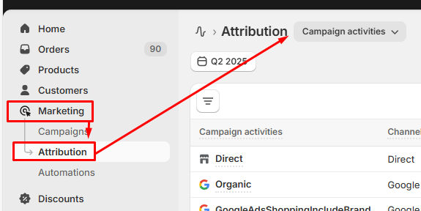

Campaign activities | UTM campaign medium | UTM campaign source | Sessions | Orders | Spend |  | Sales |  |  | Conversion rate | Orders from new customers | Orders from returning customers | CAC - NEW CUSTOMERS | CAC - RETURNING CUSTOMERS | CAC - TOTAL
GoogleAdsSearchTopic | GoogleAdsSearch | GoogleAds | 3,678 | 32 | ₪ 8,096.00 |  | ₪ 4,443.50 |  |  | 0.87% | 28 | 4 | ₪ 289 | ₪ 2,024 | ₪ 253
GoogleAdsPmaxSeborrheic | GoogleAdsPmax | GoogleAds | 3,497 | 75 | ₪ 15,000.00 |  | ₪ 10,254.66 |  |  | 2.14% | 46 | 28 | ₪ 326 | ₪ 536 | ₪ 203
GoogleAdsSearchDynamic | GoogleAdsSearch | GoogleAds | 3,306 | 15 | ₪ 2,884.00 |  | ₪ 2,239.77 |  |  | 0.45% | 10 | 4 | ₪ 288 | ₪ 721 | ₪ 206
GoogleAdsShoppingIncludeBrand | GoogleAdsShopping | GoogleAds | 3,192 | 163 | ₪ 14,000.00 |  | ₪ 24,400.73 |  |  | 5.11% | 64 | 99 | ₪ 219 | ₪ 141 | ₪ 86
GoogleAdsPmaxScalpDandruff | GoogleAdsPmax | GoogleAds | 4,000 | 10 | ₪ 8,014.00 |  | ₪ 2,600.00 |  |  | 0.41% | 8 | 12 | ₪ 1,002 | ₪ 668 | ₪ 401
GoogleAdsSearchPsoriasis | GoogleAdsSearch | GoogleAds | 1,886 | 13 | ₪ 2,652.00 |  | ₪ 2,082.21 |  |  | 0.69% | 11 | 2 | ₪ 241 | ₪ 1,326 | ₪ 204
GoogleAdsPmaxTopic | GoogleAdsPmax | GoogleAds | 1,298 | 27 | 4135 |  | ₪ 4,413.60 |  |  | 2.08% | 24 | 3 | ₪ 172 | ₪ 1,378 | ₪ 153
GoogleAdsSearchSeborrheic | GoogleAdsSearch | GoogleAds | 1,257 | 32 | ₪ 6,124.00 |  | ₪ 4,568.80 |  |  | 2.55% | 23 | 9 | ₪ 266 | ₪ 680 | ₪ 191
GoogleAdsShoppingExcludeBrand | GoogleAdsShopping | GoogleAds | 678 | 16 | ₪ 2,161.00 |  | ₪ 2,061.64 |  |  | 2.36% | 12 | 4 | ₪ 180 | ₪ 540 | ₪ 135
GoogleAdsSearchShampoo | GoogleAdsSearch | GoogleAds | 317 | 19 | 1559 |  | ₪ 2,671.00 |  |  | 5.99% | 11 | 8 | ₪ 142 | ₪ 195 | ₪ 82
GoogleAdsPmaxPsoriasis | GoogleAdsPmax | GoogleAds | 94 | 3 | ₪ 246.00 |  | ₪ 491.35 |  |  | 3.19% | 3 | 0 | ₪ 82 | #DIV/0! | ₪ 82

FB & IG Campaigns
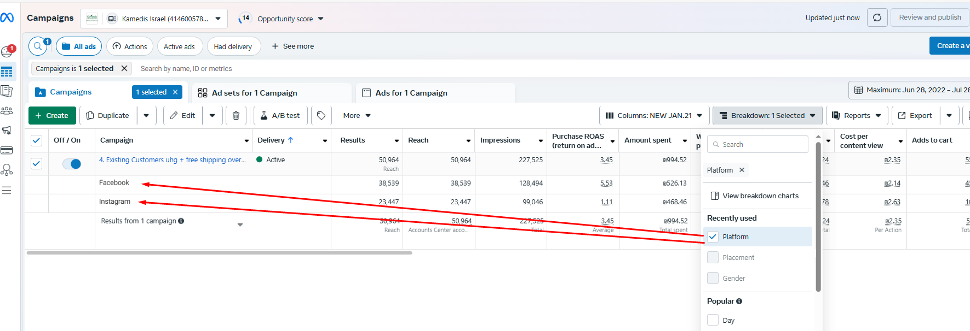
Campaign name - COLD | UTM campaign source | Sessions | Orders | Conversion rate | Spend | Revenue sales Shopify | ROAS Shopify | Revenue sales Meta | ROAS Meta | Orders from new customers | Orders from returning customers | CAC New Customers | CAC Returning customers | CAC Total
1. COLD TOPIC | fb | 3,497 | 75 | 2.14% | ₪ 15,000 | ₪ 10,254.66 | 0.68 | ₪ 5,000 | 0.33 | 46 | 28 | ₪ 326 | ₪ 536 | ₪ 203
1. COLD SEBO | fb | 4,000 | 10 | 0.41% | ₪ 8,014 | ₪ 2,600.00 | 0.32 | ₪ 3,000 | 0.37 | 8 | 12 | ₪ 1,002 | ₪ 668 | ₪ 401
1. COLD ACNE | ig | 1,298 | 27 | 2.08% | 4135 | ₪ 4,413.60 | 1.07 | ₪ 4,000 | 0.97 | 24 | 3 | ₪ 172 | ₪ 1,378 | ₪ 153
1. COLD BIO | an | 94 | 3 | 3.19% | ₪ 246 | ₪ 491.35 | 2.00 | ₪ 6,000 | 24.39 | 3 | 0 | ₪ 82 | ₪ 0 | ₪ 82
TOTAL |  |  |  |  |  |  |  |  |  |  |  | ₪ 396 | ₪ 645 | ₪ 210

Campaign name - WARM | UTM campaign source | Sessions | Orders | Conversion rate | Spend | Revenue sales Shopify | ROAS Shopify | Revenue sales Meta | ROAS Meta | Orders from new customers | Orders from returning customers | CAC New Customers | CAC Returning customers | CAC Total
2. WARM TOPIC | fb | 3,192 | 163 | 5.11% | ₪ 14,000 | ₪ 24,401 | 1.74 | ₪ 5,000 | 0.36 | 64 | 99 | ₪ 219 | ₪ 141 | ₪ 86
2. WARM SEBO | fb | 678 | 16 | 2.36% | ₪ 2,161 | ₪ 2,062 | 0.95 | ₪ 3,000 | 1.39 | 12 | 4 | ₪ 180 | ₪ 540 | ₪ 135
TOTAL |  |  |  |  |  |  |  |  |  |  |  | ₪ 199 | ₪ 341 | ₪ 110

Campaign name - HOT | UTM campaign source | Sessions | Orders | Conversion rate | Spend | Revenue sales Shopify | ROAS Shopify | Revenue sales Meta | ROAS Meta | Orders from new customers | Orders from returning customers | CAC New Customers | CAC Returning customers | CAC Total
3. HOT RMK | fb | 3,678 | 32 | 0.87% | ₪ 8,096 | ₪ 4,444 | 0.55 | ₪ 5,000 | 0.62 | 28 | 4 | ₪ 289 | ₪ 2,024 | ₪ 253
3. HOT GENERAL | fb | 3,306 | 15 | 0.45% | ₪ 2,884 | ₪ 2,240 | 0.78 | ₪ 5,000 | 1.73 | 10 | 4 | ₪ 288 | ₪ 721 | ₪ 206
3. HOT CATALOG | ig | 1,886 | 13 | 0.69% | ₪ 2,652 | ₪ 2,082 | 0.79 | ₪ 3,000 | 1.13 | 11 | 2 | ₪ 241 | ₪ 1,326 | ₪ 204

Campaign name - EXISTING | UTM campaign source | Sessions | Orders | Conversion rate | Spend | Revenue sales Shopify | ROAS Shopify | Revenue sales Meta | ROAS Meta | Orders from new customers | Orders from returning customers | CAC New Customers | CAC Returning customers | CAC Total
4. EXISTING 1 YEAR | fb | 3,678 | 32 | 0.87% | ₪ 8,096 | ₪ 4,444 | 0.55 | ₪ 5,000 | 0.62 | 28 | 4 | ₪ 289 | ₪ 2,024 | ₪ 253
4. EXISTING 2 YEARS EXCL | ig | 3,306 | 15 | 0.45% | ₪ 2,884 | ₪ 2,239.77 | 0.78 | ₪ 3,000 | 1.04 | 10 | 4 | ₪ 288 | ₪ 721 | ₪ 206
TOTAL |  |  |  |  |  |  |  |  |  |  |  | ₪ 289 | ₪ 1,373 | ₪ 230

Campaign activities - SPECIAL | UTM campaign source | Sessions | Orders | Conversion rate | Spend | Revenue sales Shopify | ROAS Shopify | Revenue sales Meta | ROAS Meta | Orders from new customers | Orders from returning customers | CAC New Customers | CAC Returning customers | CAC Total
5. Special offer 1 | fb | 3,678 | 32 | 0.87% | ₪ 8,096 | ₪ 4,444 | 0.55 | ₪ 5,000 | 0.62 | 28 | 4 | ₪ 289 | ₪ 2,024 | ₪ 253
5. Special offer 2 | an | 3,306 | 15 | 0.45% | ₪ 2,884 | ₪ 2,240 | 0.78 | ₪ 3,000 | 1.04 | 10 | 4 | ₪ 288 | ₪ 721 | ₪ 206
TOTAL |  |  |  |  |  |  |  |  |  |  |  | ₪ 289 | ₪ 1,373 | ₪ 230
add general filter by campaign name category (contains = Psoriasis,Topic,Scalp,Clear,Other,Balance, Sebo, Special)
add general filter by campaign name type: COLD, WARM, HOT, EXISTING, SPECIAL)
Attribution Sales by LINEAR (option to change attriubutions?)
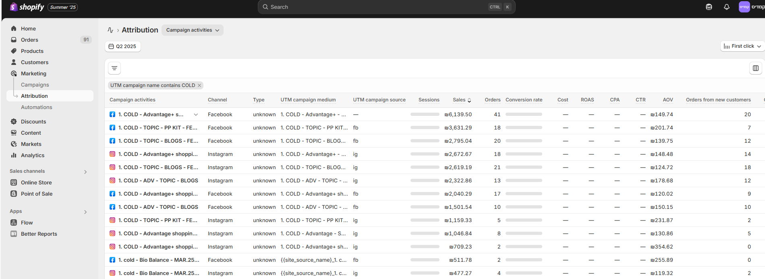

 |  |  |  |  |  |  |  |  |  |  | Audience | Budget %
 |  |  |  |  |  |  |  |  |  |  | Cold | 60%
 |  |  |  |  |  |  |  |  |  |  | Hot/Warm | 20%
 |  |  |  |  |  |  |  |  |  |  | Existing | 10%
 |  |  |  |  |  |  |  |  |  |  | Awa/con | 10%
 |  |  |  |  |  |  |  |  |  |  |  | 100%

FB creative
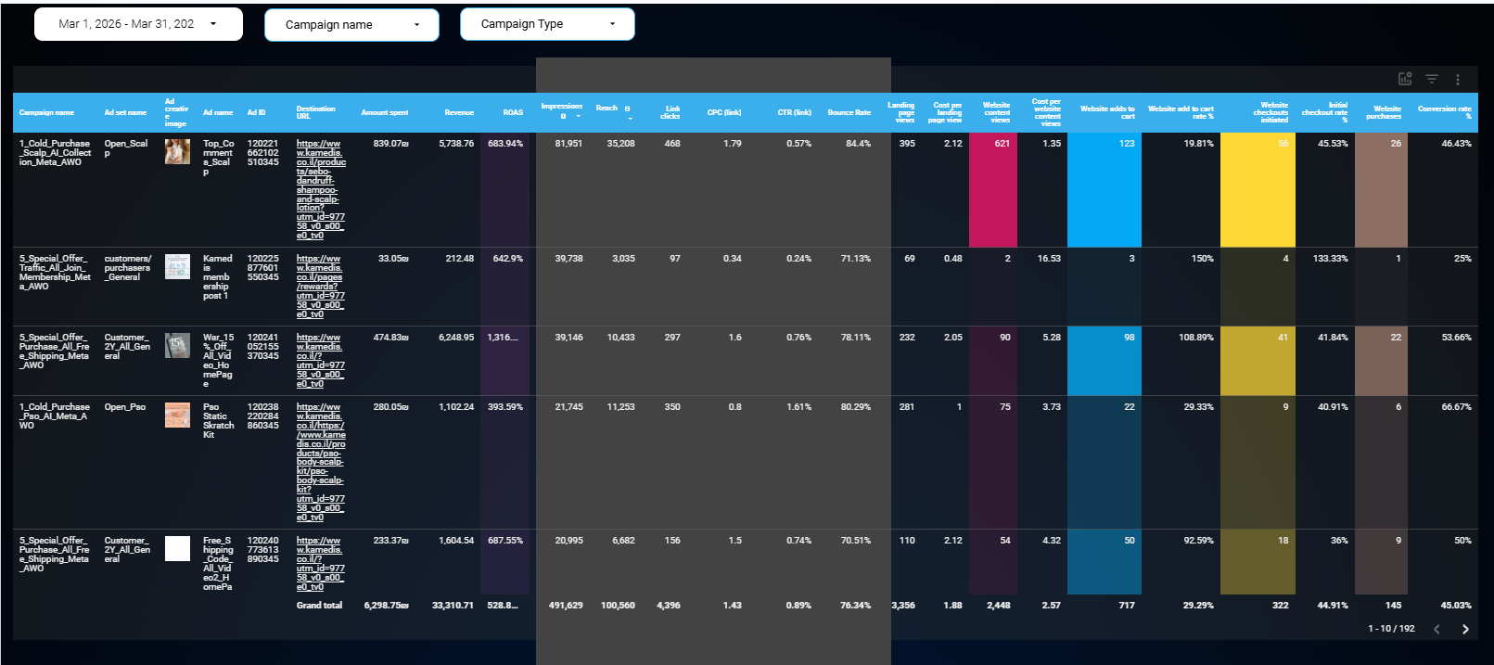
filter by date
filter by campaign name
filter by campaign type: cold, warm, hot, existing, special offer

Flashy
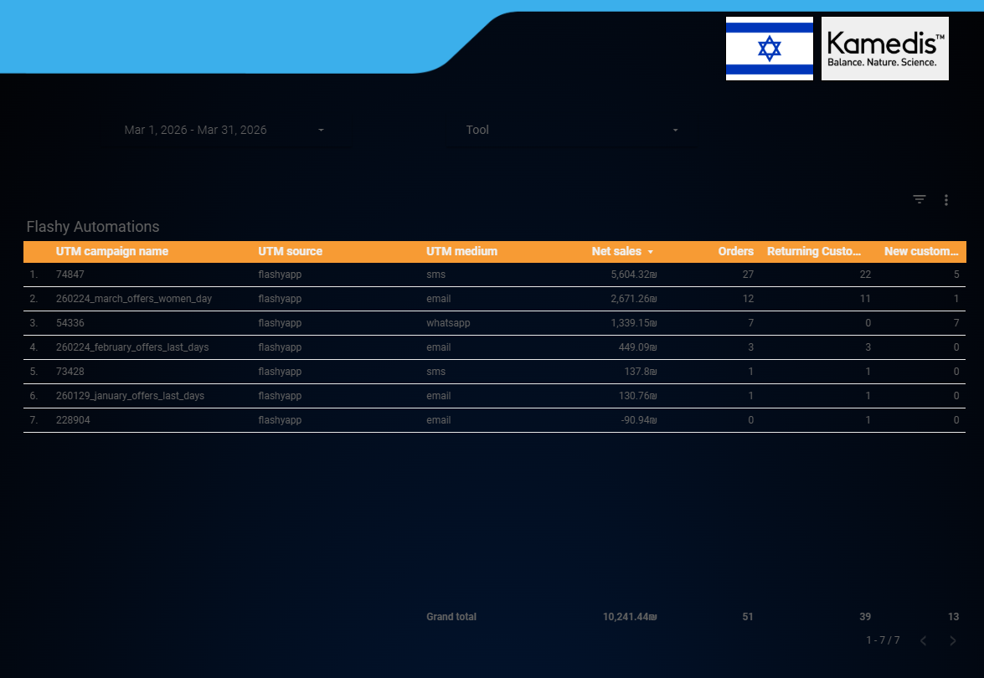
Campaigns (only show campaign name contain 2025)
Campaign activities - Yotpo | UTM campaign source | Sessions | Sales | Orders | Conversion rate | Orders from new customers | Orders from returning customers
 | Flashy | 3,497 | ₪ 10,254.66 | 75 | 2.14% | 46 | 28
 | Flashy | 4,000 | ₪ 2,600.00 | 10 | 0.41% | 8 | 12
 | Flashy | 4,000 | ₪ 2,600.00 | 10 | 0.41% | 8 | 12
TOTAL

Automations (create exclude campaign name contains 2025)
Campaign activities - Yotpo | UTM campaign source | Sessions | Sales | Orders | Conversion rate | Orders from new customers | Orders from returning customers
 | Flashy | 3,497 | ₪ 10,254.66 | 75 | 2.14% | 46 | 28
 | Flashy | 4,000 | ₪ 2,600.00 | 10 | 0.41% | 8 | 12
 | Flashy | 4,000 | ₪ 2,600.00 | 10 | 0.41% | 8 | 12
TOTAL
Attribution Sales by LAST-NON DIRECT CLIK

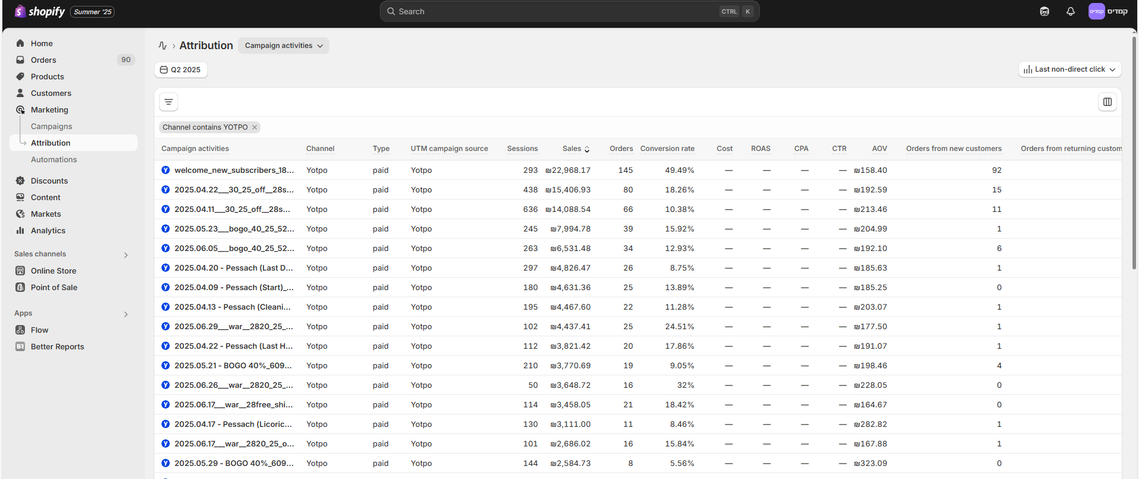

DATA FILTER
UTM MEDIUM FILTER BY SMS, EMAIL, WHATSAPP

Sales By Product
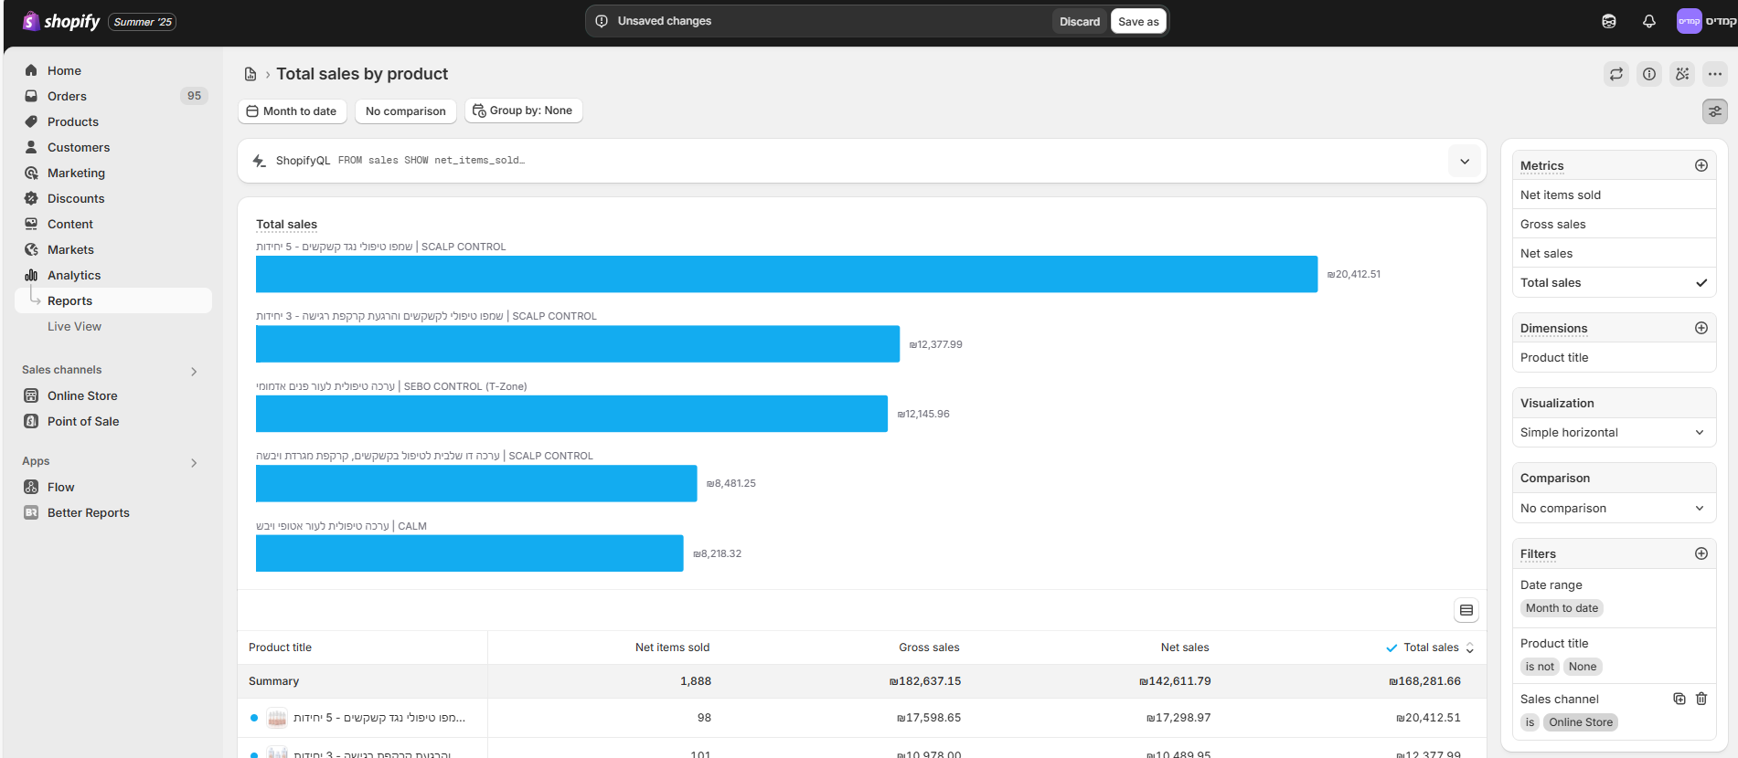
Month | Product Name | SKU | Net Sales 2026 | Units 2026 | Net Sales 2025 | Units 2025 | Net Sales 2024 | Units 2024 | Change Units % betweeb last year | Change Net Sales % between last year
Jan | Scalp Lotion |  |  |  | 30000 | 300 | 15000 | 150
Feb | Scalp Lotion |  |  |  | 50000 | 25000 | 100000 | 50000
Mar | Scalp Lotion
Apr | Scalp Lotion
May | Scalp Lotion
Jun | Scalp Lotion
July | Scalp Lotion
Aug | Scalp Lotion
Sep | Scalp Lotion
Oct | Scalp Lotion
Nov | Scalp Lotion
Dec | Scalp Lotion

2025 vs 2024, 2026 vs 2025 by month
 | *Data from Shopify
 | *Shopify Sales channel - online store only
 | *Add filter option by collection products (clear, calm, pso, balance, scalp, sebo)
 | *Add filter option by specific products (1-2-3 products at the same time)

Year to year 2025 vs 2024, 2026 vs 2025
 | Product Name | SKU | Net Sales 2026 | Units 2026 | Net Sales 2025 | Units 2025 | Change Units % | Change Net Sales %
 | Scalp lotion |  | 30000 | 300 | 15000 | 150
 | Shampoo |  | 50000 | 25000 | 100000 | 50000
 | calm cream
 | t-zone

Collection
Product category | Net Sales | Net sales % | Spend FB | Spend Google | Total Spend | Spend % | ROI | NEW CUSTOMERS SALES | ROI NEW CUSTOMERS SALES | % NEW CUST SALES | EXISTING CUSTOMERS SALES | % EXIST SALES | NEW CUSTOMERS ORDERS | EXISTING CUSTOMERS ORDERS | TOTAL ORDERS | CAC EXISTING | CAC NEW
SCALP | ₪ 93,530 | 44% | ₪ 8,524 | ₪ 8,843 | ₪ 17,367 | 45% | 5.39 | ₪ 34,532 | 1.99 | 37% | ₪ 58,998 | 63% | 281 | 370 | 651 | ₪ 47 | ₪ 62
CALM | ₪ 44,105 | 21% | ₪ 1,412 | ₪ 5,004 | ₪ 6,416 | 17% | 6.87 | ₪ 15,221 | 2.37 | 35% | ₪ 28,884 | 62% | 77 | 92 | 169 | ₪ 38 | ₪ 83
CLEAR | ₪ 20,799 | 10% | ₪ 1,417 | ₪ 1,824 | ₪ 3,241 | 8% | 6.42 | ₪ 8,070 | 2.49 | 39% | ₪ 12,729 | 69% | 70 | 107 | 177 | ₪ 18 | ₪ 46
SEBO | ₪ 24,038 | 11% | ₪ 2,317 | ₪ 4,623 | ₪ 6,940 | 18% | 3.46 | ₪ 8,624 | 1.24 | 36% | ₪ 15,414 | 68% | 79 | 113 | 192 | ₪ 36 | ₪ 88
PSO | ₪ 9,017 | 4% | ₪ 1,832 | ₪ 1,322 | ₪ 3,154 | 8% | 2.86 | ₪ 4,230 | 1.34 | 47% | ₪ 4,787 | 52% | 27 | 29 | 56 | ₪ 56 | ₪ 117
BIO BALANCE | ₪ 22,908 | 11% | ₪ 325 | ₪ 894 | ₪ 1,219 | 3% | 18.79 | ₪ 7,038 | 5.77 | 31% | ₪ 15,870 | 70% | 39 | 83 | 122 | ₪ 10 | ₪ 31
TOTAL | ₪ 214,397 | 100% | ₪ 15,827 | ₪ 22,510 | ₪ 38,337 | 100% |  | ₪ 77,715 |  | 37% | ₪ 136,682 | 64% | 573 | 794 | 1367 | ₪ 28 | ₪ 67

Data from | Shopify |  | fb | google | total |  |  | shopify |  |  | shopify |  | shopify | shopify | possible to order 2 different categories
 |  |  | ad set name = category

 |  |  | YOUTUBE | ₪ 540 |  | CATEGORY | FB | GOOGLE EXCLUDE SHOPPING | ONLY SHOPPING | TOTAL
 |  |  | GOOGLE DYNAMIC | ₪ 3,273 |  | SCALP | ₪ 8,524 | ₪ 3,123 | ₪ 5,720 | ₪ 17,367
Monthly/Quarterly/Yearly report |  |  | GOOGLE BRAND SEARCH | ₪ 1,085 |  | CALM | ₪ 1,412 | ₪ 1,845 | ₪ 3,159 | ₪ 6,416
 |  |  | OTHER SPEND FB | ₪ 7,982 |  | CLEAR | ₪ 1,417 | ₪ - | ₪ 1,824 | ₪ 3,241
 |  |  | TOTAL | ₪ 12,880 |  | SEBO | ₪ 2,317 | ₪ 2,788 | ₪ 1,835 | ₪ 6,940
 |  |  |  |  |  | PSO | ₪ 1,832 | ₪ 931 | ₪ 391 | ₪ 3,154
 |  |  | TOTAL SPENT | ₪ 51,217 |  | BALANCE | ₪ 325 | ₪ - | ₪ 894 | ₪ 1,219
 |  |  |  |  |  | TOTAL | ₪ 15,827 | ₪ 8,687 | ₪ 13,823 | ₪ 38,337
 |  |  |  |  |  |  | ad set name = category | campaign name = category | product name contains = category
Collection Performance
 | Net Sales | Total Spend
SCALP | 93530 | 17367
CALM | 44105 | 6416
CLEAR | 20799 | 3241
SEBO | 24038 | 6940
PSO | 9017 | 3154
BIO BALANCE | 22908 | 1219

